Knypiński_2021
Knypiński & Krupiński (2021) - The slewing drive system for tower crane with permanent magnet synchronous motor
http://dx.doi.org/10.24425/aee.2021.136061

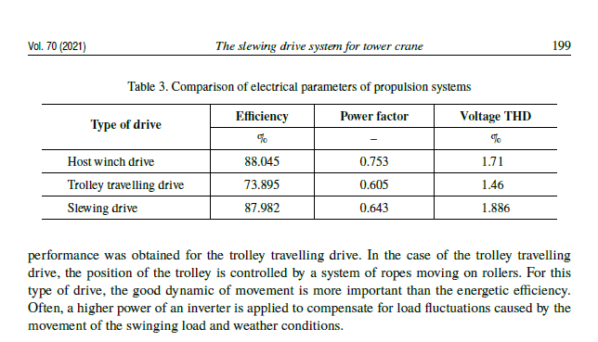
Year | Country | Machine/Process | Efficiency [-]
2020 |  | Host winch drive | 88.05%
2020 |  | Trolley travelling drive | 73.90%
2020 |  | Slewing drive | 87.98%
2020 |  | Mean | 83.31%

UNEP_2017
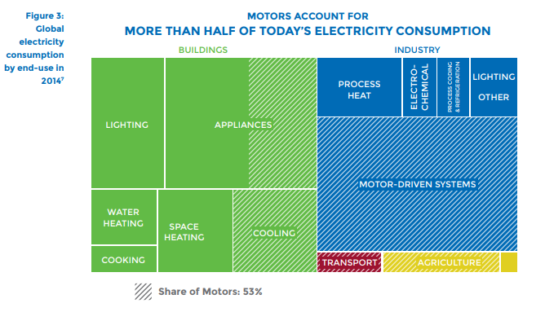
UNEP (2017) - Energy-Efficient Electric Motors and Motor Systems
https://united4efficiency.org/wp-content/uploads/2017/09/U4E-MotorGuide-201709-Final.pdf
Raw Data
Year | Machine | Eta.fu | Year | Machine | Eta.fu | Source
1960 | Electric motor (45KW) | 0.88 | 1960 | Electric motor (45KW) | 0.88 | UNEP (2017)
1980 | Electric motor (45KW) | 0.9 | 1961 | Electric motor (45KW) | 0.881 | Interpolated
1990 | Electric motor (45KW) | 0.902 | 1962 | Electric motor (45KW) | 0.882 | Interpolated
2000 | Electric motor (45KW) | 0.939 | 1963 | Electric motor (45KW) | 0.883 | Interpolated
2010 | Electric motor (45KW) | 0.951 | 1964 | Electric motor (45KW) | 0.884 | Interpolated
2013 | Electric motor (45KW) | 0.958 | 1965 | Electric motor (45KW) | 0.885 | Interpolated
 |  |  | 1966 | Electric motor (45KW) | 0.886 | Interpolated
 |  |  | 1967 | Electric motor (45KW) | 0.887 | Interpolated
 |  |  | 1968 | Electric motor (45KW) | 0.888 | Interpolated
 |  |  | 1969 | Electric motor (45KW) | 0.889 | Interpolated
 |  |  | 1970 | Electric motor (45KW) | 0.89 | Interpolated
 |  |  | 1971 | Electric motor (45KW) | 0.891 | Interpolated
 |  |  | 1972 | Electric motor (45KW) | 0.892 | Interpolated
 |  |  | 1973 | Electric motor (45KW) | 0.893 | Interpolated
 |  |  | 1974 | Electric motor (45KW) | 0.894 | Interpolated
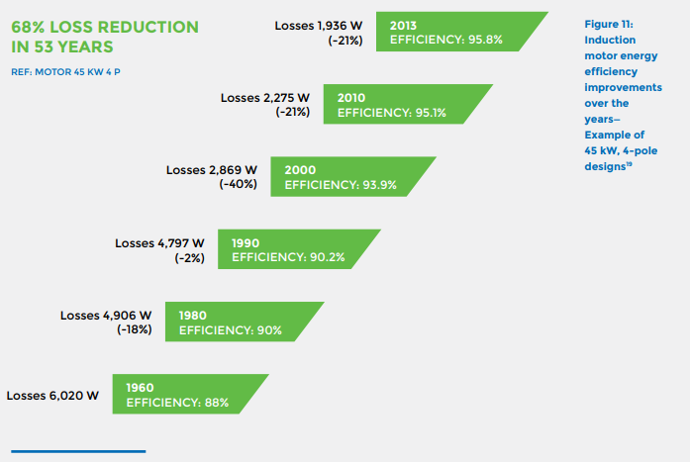
 |  |  | 1975 | Electric motor (45KW) | 0.895 | Interpolated
 |  |  | 1976 | Electric motor (45KW) | 0.896 | Interpolated
 |  |  | 1977 | Electric motor (45KW) | 0.897 | Interpolated
 |  |  | 1978 | Electric motor (45KW) | 0.898 | Interpolated
 |  |  | 1979 | Electric motor (45KW) | 0.899 | Interpolated
 |  |  | 1980 | Electric motor (45KW) | 0.9 | UNEP (2017)
 |  |  | 1981 | Electric motor (45KW) | 0.9002 | Interpolated
 |  |  | 1982 | Electric motor (45KW) | 0.9004 | Interpolated
 |  |  | 1983 | Electric motor (45KW) | 0.9006 | Interpolated
 |  |  | 1984 | Electric motor (45KW) | 0.9008 | Interpolated
 |  |  | 1985 | Electric motor (45KW) | 0.901 | Interpolated
 |  |  | 1986 | Electric motor (45KW) | 0.9012 | Interpolated
 |  |  | 1987 | Electric motor (45KW) | 0.9014 | Interpolated
 |  |  | 1988 | Electric motor (45KW) | 0.9016 | Interpolated
 |  |  | 1989 | Electric motor (45KW) | 0.9018 | Interpolated
 |  |  | 1990 | Electric motor (45KW) | 0.902 | UNEP (2017)
 |  |  | 1991 | Electric motor (45KW) | 0.9057 | Interpolated
 |  |  | 1992 | Electric motor (45KW) | 0.9094 | Interpolated
 |  |  | 1993 | Electric motor (45KW) | 0.9131 | Interpolated
 |  |  | 1994 | Electric motor (45KW) | 0.9168 | Interpolated
 |  |  | 1995 | Electric motor (45KW) | 0.9205 | Interpolated
 |  |  | 1996 | Electric motor (45KW) | 0.9242 | Interpolated
 |  |  | 1997 | Electric motor (45KW) | 0.9279 | Interpolated
 |  |  | 1998 | Electric motor (45KW) | 0.9316 | Interpolated
 |  |  | 1999 | Electric motor (45KW) | 0.9353 | Interpolated
 |  |  | 2000 | Electric motor (45KW) | 0.939 | UNEP (2017)
 |  |  | 2001 | Electric motor (45KW) | 0.9402 | Interpolated
 |  |  | 2002 | Electric motor (45KW) | 0.9414 | Interpolated
 |  |  | 2003 | Electric motor (45KW) | 0.9426 | Interpolated
 |  |  | 2004 | Electric motor (45KW) | 0.9438 | Interpolated
 |  |  | 2005 | Electric motor (45KW) | 0.945 | Interpolated
 |  |  | 2006 | Electric motor (45KW) | 0.9462 | Interpolated
 |  |  | 2007 | Electric motor (45KW) | 0.9474 | Interpolated
 |  |  | 2008 | Electric motor (45KW) | 0.9486 | Interpolated
 |  |  | 2009 | Electric motor (45KW) | 0.9498 | Interpolated
 |  |  | 2010 | Electric motor (45KW) | 0.951 | UNEP (2017)
 |  |  | 2011 | Electric motor (45KW) | 0.9533 | Interpolated
 |  |  | 2012 | Electric motor (45KW) | 0.9557 | Interpolated
 |  |  | 2013 | Electric motor (45KW) | 0.958 | UNEP (2017)
 |  |  | 2014 | Electric motor (45KW) | 0.9603 | Extrapolated
 |  |  | 2015 | Electric motor (45KW) | 0.9627 | Extrapolated
 |  |  | 2016 | Electric motor (45KW) | 0.9650 | Extrapolated
 |  |  | 2017 | Electric motor (45KW) | 0.9673 | Extrapolated
 |  |  | 2018 | Electric motor (45KW) | 0.9697 | Extrapolated
 |  |  | 2019 | Electric motor (45KW) | 0.9720 | Extrapolated
 |  |  | 2020 | Electric motor (45KW) | 0.9743 | Extrapolated

Whiting_1944
Whiting (1944) - A New Electric Hoist Drive for Cranes
https://doi.org/10.1109/EE.1944.6440170

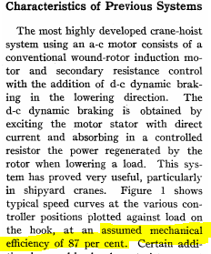
Year | Country | Machine/Process | Efficiency [-]
1944 |  | Electric crane | 87.00%

Myles_1960
Myles et al (1960) - D-C Magnetic Crane Hoist Control for A-C Powered Cranes
https://doi.org/10.1109/TCE.1960.6368574

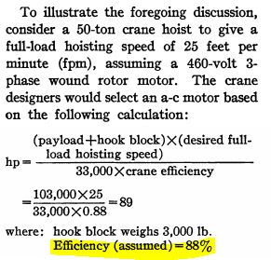
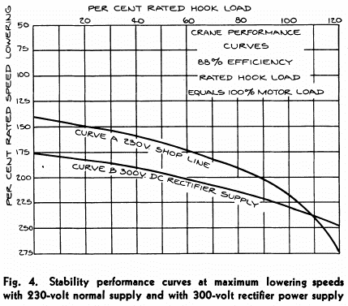
Year | Country | Machine/Process | Efficiency [-]
1960 |  | Electric crane | 88.00%

Eymann_2011
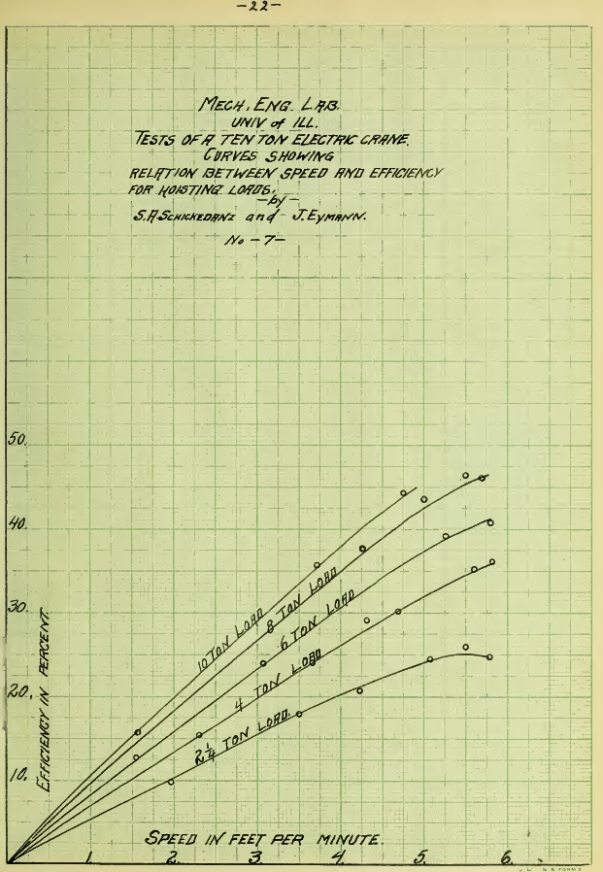
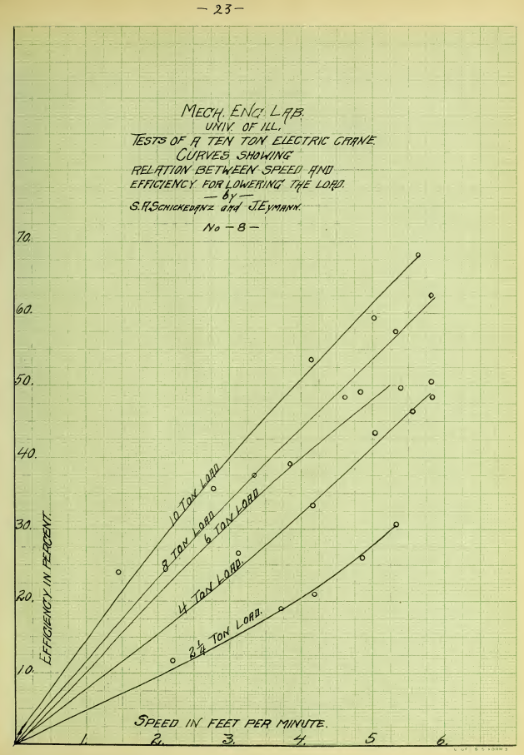
Eymann & Schickedanz (1911) - Test of Ten Ton Crane
https://www.ideals.illinois.edu/bitstream/handle/2142/54215/testoftentoncran00eyma.pdf?sequence=2

Fyke_2019
Fyke (2019) - The Fall and Rise of Gravity Storage Technologies
https://doi.org/10.1016/j.joule.2019.01.012
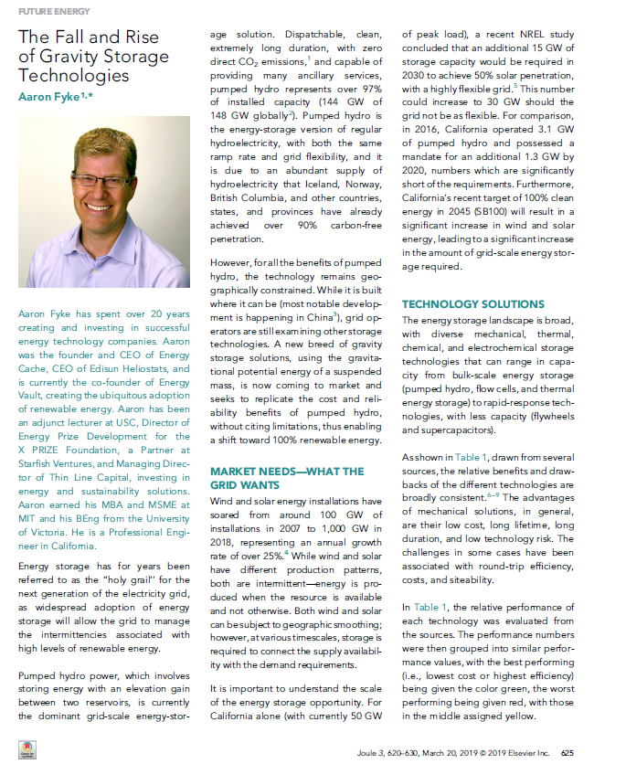
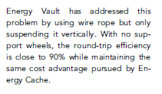
Year | Country | Machine/Process | Efficiency [-]
2019 |  | Energy storage cranes | 90.00%

